Screen Description
 |  |  | [ros-2018] BASIC DESIGN |  |  | System name |  |  | Screen/Module Name
 |  |  |  |  |  | Golden Bowl |  |  | Admin Tables Page |  |  |  |  | Version | 2.000
 |  |  |  |  |  |  |  |  |  |  |  |  |  | Create Date | 2018-07-29 | Created By | Oplas, Andrew
 |  |  |  |  |  |  |  |  |  |  |  |  |  | Update Date | 2018-10-17 | Updated by | Oplas, Andrew

Screen Description |  |  |  |  |  |  |  |  |  |  |  |  |  | Purpose

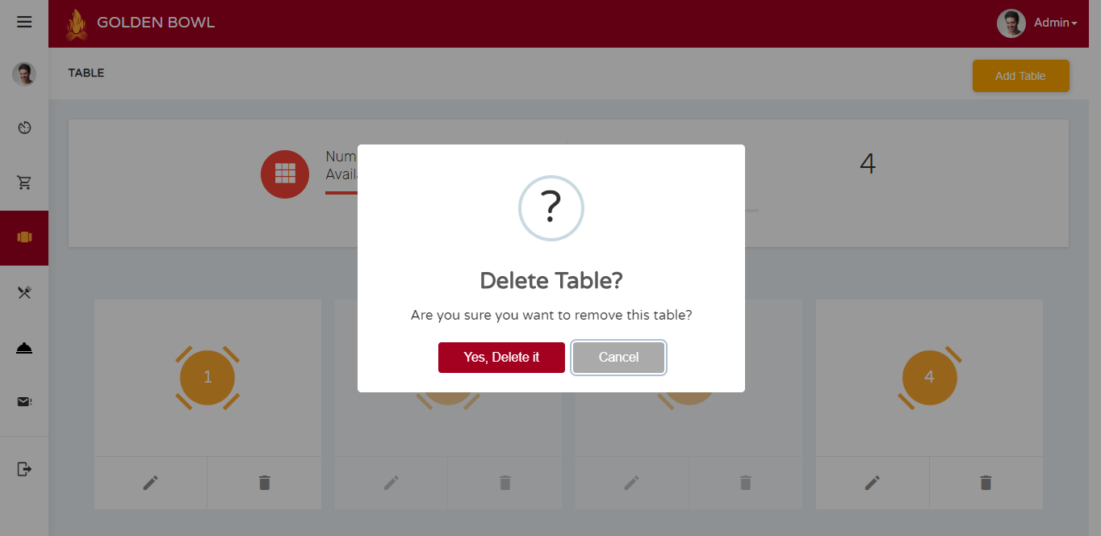
 | 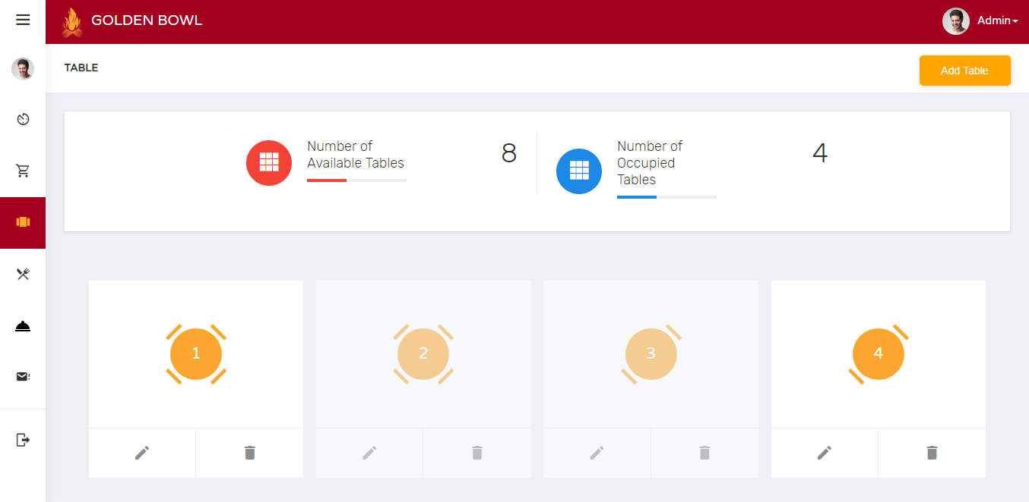 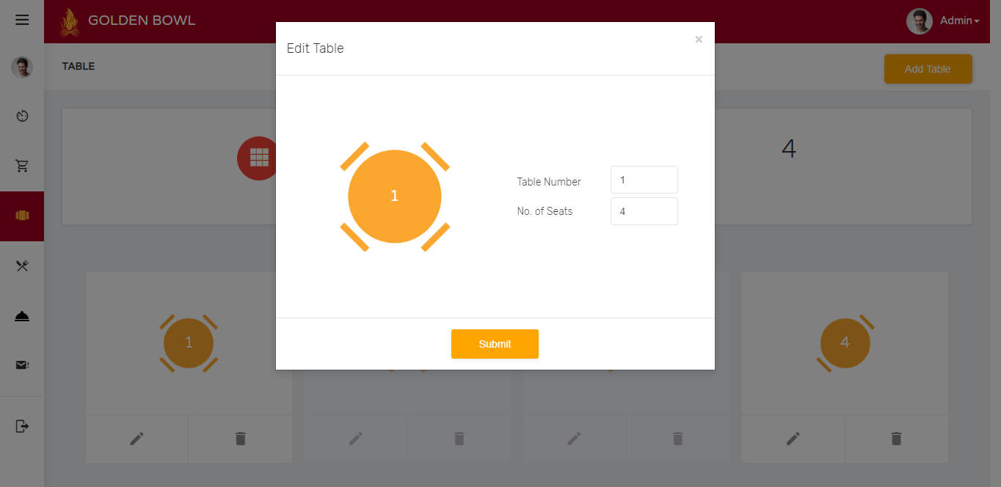 |  |  |  |  |  |  |  |  |  |  |  |  | The main purpose of this page is to setup the tables as well as edit some tables suchas the table number and their number of capacity. There is also an option for admin to delete a table.

 |  |  |  |  |  |  |  |  |  |  |  |  |  | Flow

 |  |  |  |  |  |  |  |  |  |  |  |  |  | There is a sidebar where the admin can jump into multiple pages that he/she would like to.

Screen Details

 | Item | Screen Item |  | Attribute | Mandatory |  | Range of Values | Format |  | Length | Default | Alignment | Remarks
 | 1 | txtTableDelete |  | TextField - Type: hidden | ○ |  | numeric values | N/A |  | 1 ~ 50 | NULL | Left | This input field is hidden to be submitted when deleting table
 | 2 | txtTableNumber |  | TextField | ○ |  | numeric values | N/A |  | 1 ~ 50 | NULL | Left
 | 3 | txtTableSeats |  | TextField | ○ |  | numeric values | N/A |  | 1 ~ 50 | NULL | Left

